Nomination Data Cover Note
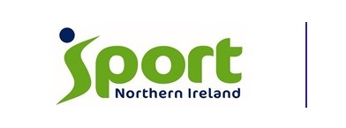 Sport NI remains committed to ensuring that sport fully embraces diversity and is inclusive for all at every level, striving to address inequalities within the sports sector to maximise the power of sport to change lives for everyone in society. Sport NI monitors the community background and sex of employees and athletes in order to demonstrate our commitment to promoting equality of opportunity and compliance with duties under Section 75 of the Northern Ireland Act 1998. The information requested will assist Sport NI in understanding how inclusive high-performance sport in NI currently is and identify any current imbalances so we encourage you to answer the following questions relating to equal opportunities monitoring. We would therefore encourage you to answer the following optional background questions to help us understand athletes journey in sport. You are not obliged to answer the questions and you will not suffer any penalty if you choose not to do so, but it would greatly help us in a research capacity. Data Protection: https://www.sportni.net/wp-content/uploads/2023/11/Sport-NI-Data-Protection-Policy-Statement.pdf Sport Northern Ireland needs to collect and use information about people with whom the organisation works, to conduct business and provide services. These may include members of the public, current, past, and prospective employees, clients, customers and suppliers. In addition, Sport Northern Ireland may be required by law to collect and use information. All personal information, whether in paper, electronic or any other format, must be handled and managed in accordance with the UK General Data Protection Regulation and EU GDPR legislation. This policy statement should be read in conjunction with all linked documents outlined above, however, particular attention should be paid to the following policies: the Data Loss Handling Plan, Freedom of Information Policy and the Access to Information Policy. Section 75 of the Northern Ireland Act 199

